Introduction
 |  | Version 2.0 June 8, 2023
Introduction |  |  | Gartner's Application TIME Analysis (Optional Toolkit)
This spreadsheet is used to gather Portfolio Inventory elements per OCIO Policy 112. |  |  | Application TIME Analysis Chart
Link to Policy 112 |  |  | The Application Inventory includes additional columns (BT-CE) for Gartner's Application TIME model. TIME is an acronym for Tolerate, Invest, Migrate, Eliminate. This quadrant chart can be used as a visual tool of where an agency should invest their efforts to improve their application portfolio. Tolerate: High quality application but low business value. Invest: High quality application and high business value. Migrate: Low quality application but high business value. Eliminate: Low quality application and low business value.

Standard 112.10 defines the minimum set of data to be collected on application and information systems.
Standard 112.10 (updated June 8th, 2023) has been included in this workbook for reference.
Additional comments to clarify entry instructions may be added based on agency feedback.
Navigate to ADS definitions/guidance
Link to Standard 112.10
Link to Application Guidelines
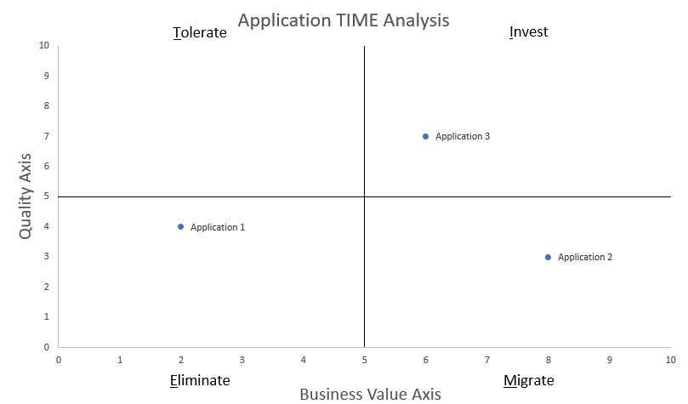
Link to Application Core Business Function Definitions

Application Inventory
Please use the provided template for your Agency's Application Inventory.
Drop-down menus are provided for multiple choice questions. Please do not input alternative answers.
500 rows have been provided with drop-down options. Please copy / paste additional as needed.

If you have questions please contact | OCIOTBMProgramOffice@watech.wa.gov

Standard 112.20 defines the minimum set of data to be collected on technology infrastructure and related services.

Standard 112.20 (approved March 10, 2020) has been included in this workbook for reference.
Link to Standard 112.20.

Infrastructure Inventory
Please use the provided template for your Agency's Infrastructure Inventory.
Drop-down menus are provided for multiple choice questions. Please do not input alternative answers.
1000 rows have been provided with drop-down options. Please copy / paste additional as needed.

If you have questions please contact | OCIOTBMProgramOffice@watech.wa.gov
 |  |  | Application TIME Questions
Submission |  |  | The TIME Analysis is based on questions that assess an Application's quality and business value. WaTech has provided a baseline scoring methodology based on existing inventory questions. The "TIME Questions" tab is a reference resource of which questions in the Application Inventory are used to assess Quality and Business Values. Agencies are welcome to refine the tool by incorporating additional quality and business value questions.
Upon completion of Application and Infrastructure Inventories, submit per Annual Certification instructions.

Application TIME Analysis Chart
Core business function | (All)
Lifecycle status | (All) |  |  | Instructions to Update Chart: The quadrant TIME analysis chart is connected to the data within the pivot table. 1. Click anywhere in the pivot table then press ALT-F5 to refresh data from the Application Inventory tab. 2. If more than the original 500 rows were added to the Application Inventory tab, click anywhere in the pivot table and navigate to the PivotTable Analyze tab in the Ribbon. Click "Change Data Source". Update the cell reference beyond 500 rows, then repeat step 1.
Type of application | (All)
Cost Center | (All)
Business Unit Category | (All)
Business Unit | (All)

Tolerate
Invest
Migrate
Eliminate
Name | TIME Result | Quality Total | Business Value Total
(blank) | Eliminate | 0 | 0
Application 1 | Eliminate | 4 | 2
Application 2 | Migrate | 3 | 8
Application 3 | Invest | 7 | 6
Grand Total

